Plate_pH
 |  | Plate 1
Plate 2
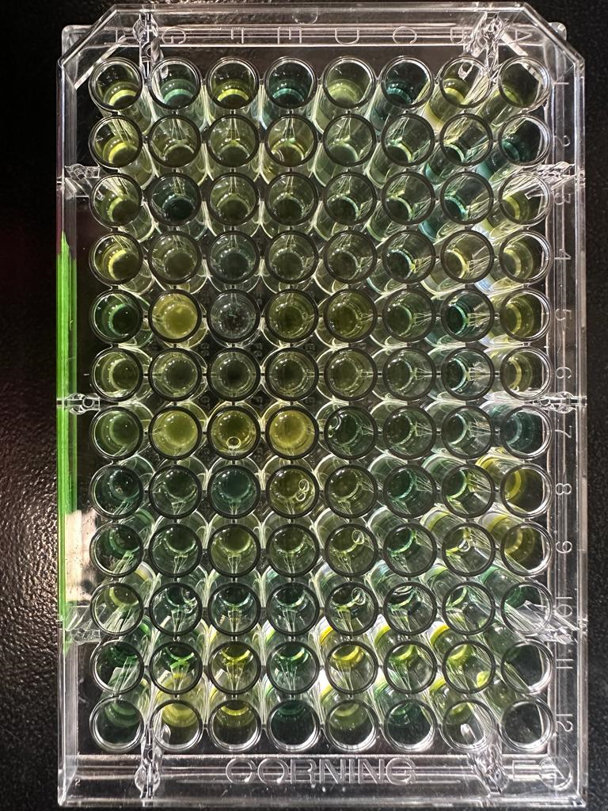
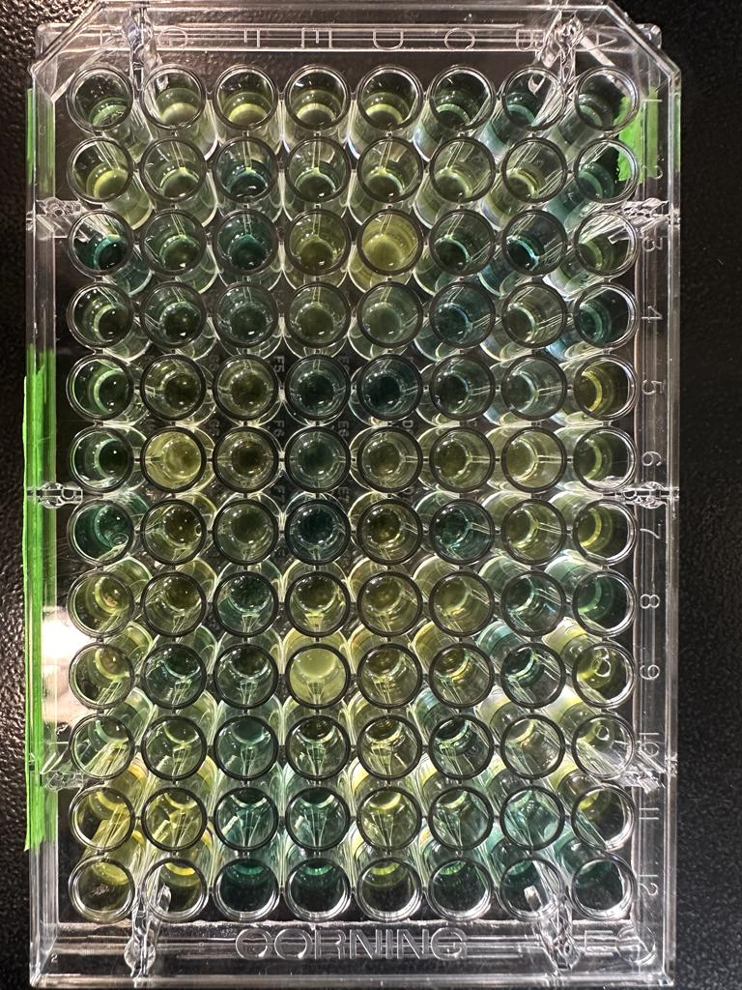

 | Plate 2

